q7
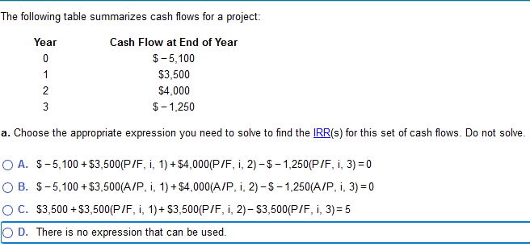
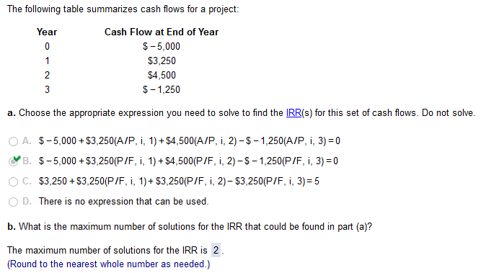

alyways 2

i: | 14.68%
N: | cash fl: | bal:
0 | -5000 | -5000
1 | 3250 | -2484.00
2 | 4500 | 1651.35
3 | -1250 | 643.77

